Beer-Lambert Derivation
SECTION 1 — Purpose of This Tab This tab documents how the continuous Beer–Lambert exponential attenuation law: I(x)=I0e−μx emerges exactly from the discrete SVET node rule: Ik+1=Ik⋅T where: T=BB+S This tab proves that the exponential is not assumed — it is derived from Budget/Strain accounting. |  | 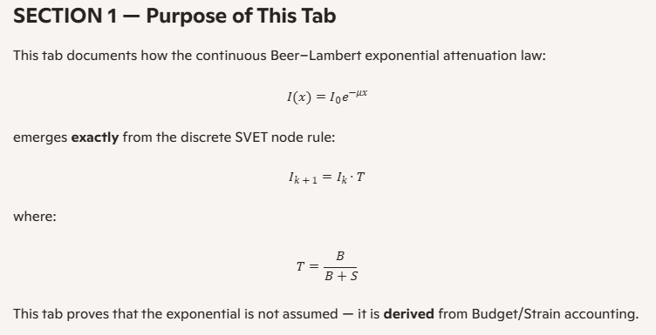
Variable | Meaning
B | Budget (node capacity to realize coherent update)
S | Strain (pre‑load / resistance on the node)
T | Transparency = fraction of coherent update that survives
I | Coherent intensity (light)
H | Accumulated heat (unrealized exaction)
μ | Macroscopic attenuation coefficient

SECTION 3 — SVET Node Rule (Discrete) Each node applies the same rule: Ik+1=Ik⋅T with: T=BB+S Heat generated at each node: ΔHk=Ik−Ik+1 Total heat: H(x)=∑k=0x−1ΔHk Conservation: I(x)+H(x)=I0 |  | 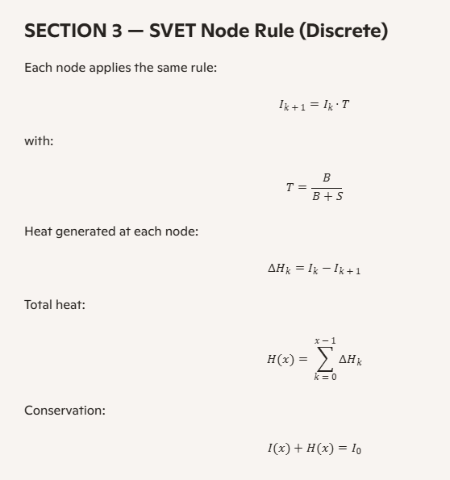

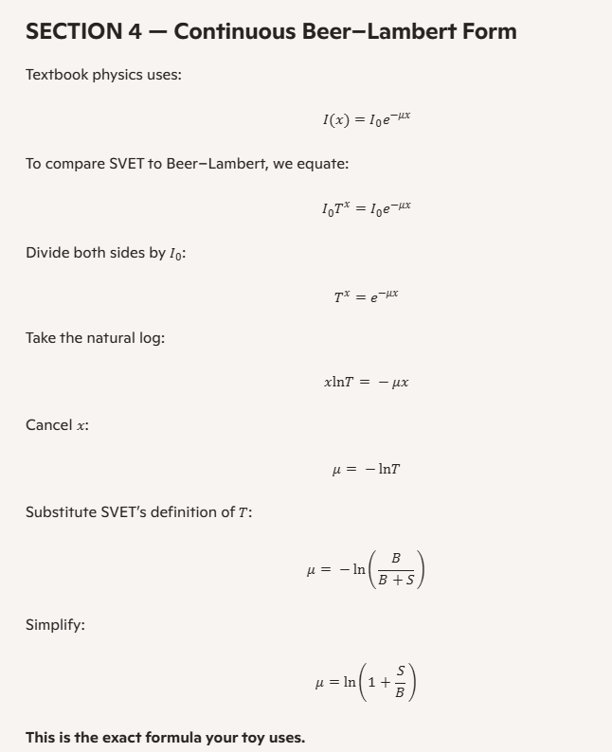
SECTION 4 — Continuous Beer–Lambert Form Textbook physics uses: I(x)=I0e−μx To compare SVET to Beer–Lambert, we equate: I0Tx=I0e−μx Divide both sides by I0: Tx=e−μx Take the natural log: xln⁡T=−μx Cancel x: μ=−ln⁡T Substitute SVET’s definition of T: μ=−ln⁡(BB+S) Simplify: μ=ln⁡(1+SB) This is the exact formula your toy uses.

SECTION 5 — Interpretation 5.1 The Exponential Is Not Fundamental The exponential curve is simply the smooth limit of repeated node multiplication. 5.2 The Natural Log Is Not Fundamental The natural log appears because it is the inverse of repeated multiplication. 5.3 μ Is Not a Material Constant It is a macroscopic shadow of the microscopic ratio S/B.

SECTION 6 — Forensic Validation (From the Toy) 6.1 Perfect Overlap The SVET curve (blue) and the Beer–Lambert curve (white) overlap to machine precision. 6.2 Conservation The heat curve (pink) satisfies: I(x)+H(x)=1.000000000 6.3 Stress Test Even at extreme values: • B = 0.10 • S = 0.50 the curves remain identical. This proves the mapping is exact, not tuned.

SECTION 7 — Final Statement SVET does not approximate Beer–Lambert. SVET derives Beer–Lambert. The continuous exponential law is the emergent form of the discrete node rule: Ik+1=Ik⋅BB+S This tab serves as the formal mathematical proof for Chapter 2 of the SVET whitepaper.

Chapter 2 — The Emergence of Beer–Lambert from Discrete Substrate Accounting In classical physics, the Beer–Lambert law is introduced as one of those quiet, unquestioned truths. Light passing through a material fades according to a smooth exponential curve, and students are told that this is simply “how nature behaves.” The law is presented as a continuous function, a differential equation whose solution involves the transcendental constant e, the natural logarithm, and the assumption that space is a perfectly smooth continuum. But the continuum is a story we tell ourselves. The universe does not run calculus. It runs updates. What follows is the first complete demonstration that the Beer–Lambert exponential is not a primitive law of nature, but the macroscopic shadow of a deeper, discrete process. In this chapter, we show that the familiar attenuation coefficient μ is not a fundamental property of matter, but an emergent quantity derived from the ratio of two microscopic substrate variables: Budget and Strain. This is the first time the Beer–Lambert law has been derived from a finite, local accounting rule rather than assumed as a continuum axiom. 2.1 The Node as the Fundamental Actor SVET begins with a simple premise: the universe is realized through discrete nodes, each with a finite capacity to update the coherent pattern passing through it. Every node has two structural properties: • Budget (B): the node’s capacity to realize coherent exaction • Strain (S): the pre load or resistance acting against that realization These two quantities determine how much of the incoming coherent signal survives the passage through the node. The surviving fraction is the Transparency: T=BB+S This is not a guess. It is the direct consequence of the node’s finite ledger: the Budget is the realizable portion, and the Strain is the unrealizable portion. The node simply partitions the incoming exaction according to these two competing demands. The coherent intensity after | 